Sheet1
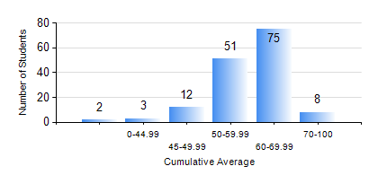
 |  |  | KWAME NKRUMAH UNIVERSITY OF SCIENCE AND TECHNOLOGY, KUMASI Department of Mechanical Engineering

 |  |  | BSC. INDUSTRIAL ENG.

 |  |  | COMPREHENSIVE RECORD OF EXAMINATION RESULTS

 |  |  | RESULTS OF YEAR 3 SECOND SEMESTER, 2022/2023 ACADEMIC YEAR

 | Sn | Course Code |  | Course Name | Credit Hours | Min. Mark | Max. Mark | Avg. Mark | Std. Dev. | No. Passed | No. Trailed | No. (Df) | No. (I) | No. (I*) | No. Tagged(I,I*,Df) | Total
 | 0. |  |  |  |  |  |  | 0 | 0 | 0 | 0 | 0 | 0 | 0 | 0 | 4
 | 1. | IE 354 |  | LOGISTICS AND SUPPLY CHAIN ENGINEERING | 2 | 44 | 83 | 65 | 8.59 | 147 | 0 | 0 | 0 | 0 | 0 | 147
 | 2. | IE 356 |  | RELIABILITY ENGINEERING | 3 | 24 | 94 | 69 | 14.32 | 146 | 1 | 0 | 0 | 0 | 0 | 147
 | 3. | IE 358 |  | COMPUTER-AIDED DESIGN AND MANUFACTURING | 3 | 47 | 82 | 64 | 8.4 | 147 | 0 | 0 | 0 | 0 | 0 | 147
 | 4. | IE 360 |  | QUALITY ASSURANCE | 2 | 26 | 86 | 60 | 14.19 | 138 | 9 | 0 | 0 | 0 | 0 | 147
 | 5. | IE 362 |  | INDUSTRIAL ENGINEERING LAB III | 1 | 81 | 89 | 84 | 2.37 | 147 | 0 | 0 | 0 | 0 | 0 | 147
 | 6. | IE 366 |  | ADVANCED MANUFACTURING TECHNOLOGY I | 3 | 9 | 82 | 50 | 13.61 | 135 | 12 | 0 | 0 | 0 | 0 | 147
 | 7. | IE 368 |  | OPERATIONS RESEARCH II | 2 | 35 | 66 | 58 | 4.22 | 146 | 1 | 0 | 0 | 0 | 0 | 147

